Kas Smith curvefit (copy)
Functional form |  |  |  | Data from
FECO = 0.9607 - 4.7306·XCO25.4936 |  |  |  | Kas, R.; Yang, K.; Yewale, G. P.; Crow, A.; Burdyny, T.; Smith, W. A. Modeling the Local Environment within Porous Electrode during Electrochemical Reduction of Bicarbonate. Ind. Eng. Chem. Res. 2022, 61 (29), 10461–10473. https://doi.org/10.1021/acs.iecr.2c00352.

Name | Value | Unit | Source
R | 8.314 | J/mol.K
F | 96485.332 | C/mol e-
T | 273.150 | K
P | 101325.000 | Pa
K to °C | 273.150 | K
mol/s per ccm NTP | 0.000 | mol/s per sccm
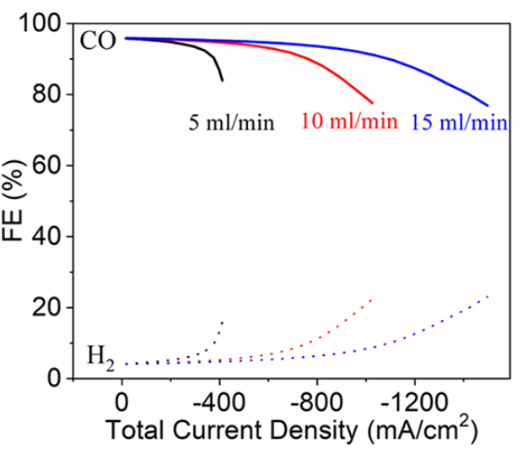
mol/s per sccm | 0.000 | mol/s per sccm
mol/s per mA (2 e-) | 0.000 | mol/s per mA

Data |  |  |  |  |  | Derived data
15 mL/min |  | 10 mL/min |  | 5 mL/min |  | 15 mL/min |  |  | 10 mL/min |  |  | 5 mL/min
jtotal | FECO | jtotal | FECO | jtotal | FECO | FECO | XCO2 | 0.9607-FECO | FECO | XCO2 | 0.9607-FECO | FECO | XCO2 | 0.9607-FECO
-51.524 | 96.070 | -270.691 | 95.275 | -100.210 | 95.563 | 0.961 | 0.023 | 0.000 | 0.953 | 0.180 | 0.008 | 0.956 | 0.133 | 0.005
-89.798 | 96.042 | -308.956 | 95.095 | -138.476 | 95.415 | 0.960 | 0.040 | 0.000 | 0.951 | 0.205 | 0.010 | 0.954 | 0.184 | 0.007
-128.067 | 95.938 | -347.225 | 94.980 | -176.739 | 95.203 | 0.959 | 0.057 | 0.001 | 0.950 | 0.230 | 0.011 | 0.952 | 0.235 | 0.009
-166.342 | 95.932 | -385.495 | 94.887 | -214.997 | 94.893 | 0.959 | 0.074 | 0.001 | 0.949 | 0.255 | 0.012 | 0.949 | 0.284 | 0.012
-204.614 | 95.872 | -423.759 | 94.685 | -253.245 | 94.409 | 0.959 | 0.091 | 0.002 | 0.947 | 0.280 | 0.014 | 0.944 | 0.333 | 0.017
-242.882 | 95.746 | -462.027 | 94.571 | -291.486 | 93.817 | 0.957 | 0.108 | 0.003 | 0.946 | 0.305 | 0.015 | 0.938 | 0.381 | 0.023
-281.153 | 95.675 | -500.288 | 94.315 | -329.711 | 92.920 | 0.957 | 0.125 | 0.004 | 0.943 | 0.329 | 0.018 | 0.929 | 0.427 | 0.031
-319.427 | 95.668 | -538.544 | 93.972 | -367.890 | 91.221 | 0.957 | 0.142 | 0.004 | 0.940 | 0.353 | 0.021 | 0.912 | 0.468 | 0.048
-357.694 | 95.521 | -576.797 | 93.586 | -395.564 | 88.348 | 0.955 | 0.159 | 0.005 | 0.936 | 0.376 | 0.025 | 0.883 | 0.487 | 0.077
-395.963 | 95.417 | -615.049 | 93.178 | -411.058 | 85.444 | 0.954 | 0.176 | 0.007 | 0.932 | 0.399 | 0.029 | 0.854 | 0.490 | 0.106
-434.236 | 95.368 | -653.292 | 92.618 | -22.369 | 96.088 | 0.954 | 0.192 | 0.007 | 0.926 | 0.422 | 0.035 | 0.961 | 0.030 | 0.000
-472.502 | 95.209 | -691.533 | 92.015 | -53.428 | 96.083 | 0.952 | 0.209 | 0.009 | 0.920 | 0.443 | 0.041 | 0.961 | 0.072 | 0.000
-510.774 | 95.160 | -729.759 | 91.140 |  |  | 0.952 | 0.226 | 0.009 | 0.911 | 0.464 | 0.049
-549.041 | 95.013 | -767.980 | 90.179 |  |  | 0.950 | 0.242 | 0.011 | 0.902 | 0.483 | 0.059
-587.309 | 94.887 | -806.184 | 88.914 |  |  | 0.949 | 0.259 | 0.012 | 0.889 | 0.500 | 0.072
-625.575 | 94.729 | -844.379 | 87.496 |  |  | 0.947 | 0.275 | 0.013 | 0.875 | 0.515 | 0.086
-663.841 | 94.560 | -882.558 | 85.807 |  |  | 0.946 | 0.292 | 0.015 | 0.858 | 0.528 | 0.103
-702.105 | 94.369 | -920.726 | 83.901 |  |  | 0.944 | 0.308 | 0.017 | 0.839 | 0.538 | 0.122
-740.367 | 94.146 | -958.885 | 81.854 |  |  | 0.941 | 0.324 | 0.019 | 0.819 | 0.547 | 0.142
-778.629 | 93.912 | -997.041 | 79.742 |  |  | 0.939 | 0.340 | 0.022 | 0.797 | 0.554 | 0.163
-816.888 | 93.623 | -1028.262 | 78.051 |  |  | 0.936 | 0.355 | 0.024 | 0.781 | 0.559 | 0.180
-855.146 | 93.324 | -28.016 | 96.088 |  |  | 0.933 | 0.371 | 0.027 | 0.961 | 0.019 | 0.000
-893.405 | 93.025 | -138.122 | 95.876 |  |  | 0.930 | 0.386 | 0.030 | 0.959 | 0.092 | 0.002
-931.658 | 92.638 | -177.651 | 95.870 |  |  | 0.926 | 0.401 | 0.034 | 0.959 | 0.119 | 0.002
-969.910 | 92.231 | -214.356 | 95.864 |  |  | 0.922 | 0.416 | 0.038 | 0.959 | 0.143 | 0.002
-1008.154 | 91.682 | -245.404 | 95.665 |  |  | 0.917 | 0.429 | 0.044 | 0.957 | 0.164 | 0.004
-1046.396 | 91.100 | -56.273 | 96.471 |  |  | 0.911 | 0.443 | 0.050 | 0.965 | 0.038 | -0.004
-1084.631 | 90.378 | -95.780 | 96.077 |  |  | 0.904 | 0.455 | 0.057 | 0.961 | 0.064 | 0.000
-1122.866 | 89.677 |  |  |  |  | 0.897 | 0.468 | 0.064
-1161.087 | 88.726 |  |  |  |  | 0.887 | 0.479 | 0.073
-1199.305 | 87.710 |  |  |  |  | 0.877 | 0.489 | 0.084
-1237.519 | 86.629 |  |  |  |  | 0.866 | 0.498 | 0.094
-1275.725 | 85.407 |  |  |  |  | 0.854 | 0.506 | 0.107
-1313.928 | 84.131 |  |  |  |  | 0.841 | 0.514 | 0.119
-1352.126 | 82.757 |  |  |  |  | 0.828 | 0.520 | 0.133
-1390.331 | 81.513 |  |  |  |  | 0.815 | 0.527 | 0.146
-1428.530 | 80.172 |  |  |  |  | 0.802 | 0.532 | 0.159
-1466.719 | 78.646 |  |  |  |  | 0.786 | 0.536 | 0.174
-1499.697 | 77.267 |  |  |  |  | 0.773 | 0.538 | 0.188

 |  |  |  |  |  | Functional form
 |  |  |  |  |  | XCO2 | FECO
 |  |  |  |  |  | 0.023 | 0.961
 |  |  |  |  |  | 0.040 | 0.961
 |  |  |  |  |  | 0.057 | 0.961
 |  |  |  |  |  | 0.074 | 0.961
 |  |  |  |  |  | 0.091 | 0.961
 |  |  |  |  |  | 0.108 | 0.961
 |  |  |  |  |  | 0.125 | 0.961
 |  |  |  |  |  | 0.142 | 0.961
 |  |  |  |  |  | 0.159 | 0.961
 |  |  |  |  |  | 0.176 | 0.960
 |  |  |  |  |  | 0.192 | 0.960
 |  |  |  |  |  | 0.209 | 0.960
 |  |  |  |  |  | 0.226 | 0.959
 |  |  |  |  |  | 0.242 | 0.959
 |  |  |  |  |  | 0.259 | 0.958
 |  |  |  |  |  | 0.275 | 0.957
 |  |  |  |  |  | 0.292 | 0.955
 |  |  |  |  |  | 0.308 | 0.953
 |  |  |  |  |  | 0.324 | 0.951
 |  |  |  |  |  | 0.340 | 0.948
 |  |  |  |  |  | 0.355 | 0.945
 |  |  |  |  |  | 0.371 | 0.940
 |  |  |  |  |  | 0.386 | 0.935
 |  |  |  |  |  | 0.401 | 0.929
 |  |  |  |  |  | 0.416 | 0.923
 |  |  |  |  |  | 0.429 | 0.915
 |  |  |  |  |  | 0.443 | 0.907
 |  |  |  |  |  | 0.455 | 0.898
 |  |  |  |  |  | 0.468 | 0.888
 |  |  |  |  |  | 0.479 | 0.878
 |  |  |  |  |  | 0.489 | 0.868
 |  |  |  |  |  | 0.498 | 0.858
 |  |  |  |  |  | 0.506 | 0.848
 |  |  |  |  |  | 0.514 | 0.839
 |  |  |  |  |  | 0.520 | 0.831
 |  |  |  |  |  | 0.527 | 0.821
 |  |  |  |  |  | 0.532 | 0.813
 |  |  |  |  |  | 0.536 | 0.807
 |  |  |  |  |  | 0.538 | 0.803

